Sheet1
NOTE: MANDATORY TESTING ENDED ON 1ST APRIL, SO THE DATA ON THIS PAGE IS NO LONGER PUBLISHED AFTER THAT DATE

Vaccination uptake in England as at 27th March 2022 - p.85
https://assets.publishing.service.gov.uk/government/uploads/system/uploads/attachment_data/file/1065232/Weekly_Flu_and_COVID-19_report_w13.pdf

 |  | Vaccination uptake
 | Number in NIMS cohort | At least 1st dose | % of cohort | Stopped at 1 dose | % of cohort | At least 2 doses | % of cohort | Only had 2 doses | % of cohort | 3rd dose / booster | % of cohort | Unvaccinated | % of cohort
18-29 | 10,017,868 | 7,033,137 | 70.2% | 653,189 | 6.5% | 6,379,948 | 63.7% | 2,695,613 | 26.9% | 3,684,335 | 36.8% | 2,984,731 | 29.8%
30-39 | 9,478,334 | 6,791,732 | 71.7% | 386,698 | 4.1% | 6,405,034 | 67.6% | 2,076,068 | 21.9% | 4,328,966 | 45.7% | 2,686,602 | 28.3%
40-49 | 8,228,211 | 6,612,527 | 80.4% | 216,775 | 2.6% | 6,395,752 | 77.7% | 1,346,834 | 16.4% | 5,048,918 | 61.4% | 1,615,684 | 19.6%
50-59 | 8,374,446 | 7,391,008 | 88.3% | 139,703 | 1.7% | 7,251,305 | 86.6% | 870,761 | 10.4% | 6,380,544 | 76.2% | 983,438 | 11.7%
60-69 | 6,420,555 | 5,894,275 | 91.8% | 75,349 | 1.2% | 5,818,926 | 90.6% | 390,160 | 6.1% | 5,428,766 | 84.6% | 526,280 | 8.2%
70-79 | 4,979,828 | 4,742,016 | 95.2% | 36,681 | 0.7% | 4,705,335 | 94.5% | 150,593 | 3.0% | 4,554,742 | 91.5% | 237,812 | 4.8%
80+ | 2,725,031 | 2,606,360 | 95.6% | 17,365 | 0.6% | 2,588,995 | 95.0% | 99,635 | 3.7% | 2,489,360 | 91.4% | 118,671 | 4.4%
 |  |  |  |  |  |  |  |  |  |  |  | 0
Totals | 50,224,273 | 41,071,055 | 81.8% | 1,525,760 | 3.0% | 39,545,295 | 78.7% | 7,629,664 | 15.2% | 31,915,631 | 63.5% | 9,153,218 | 18.2%

Cases, hospitalisations & deaths in England - data for the 4 weeks to 27th March 2022 - p.
https://assets.publishing.service.gov.uk/government/uploads/system/uploads/attachment_data/file/1066759/Vaccine-surveillance-report-week-13.pdf |  |  |  |  |  |  |  |  |  | ALL reports: | https://www.gov.uk/government/publications/covid-19-vaccine-weekly-surveillance-reports
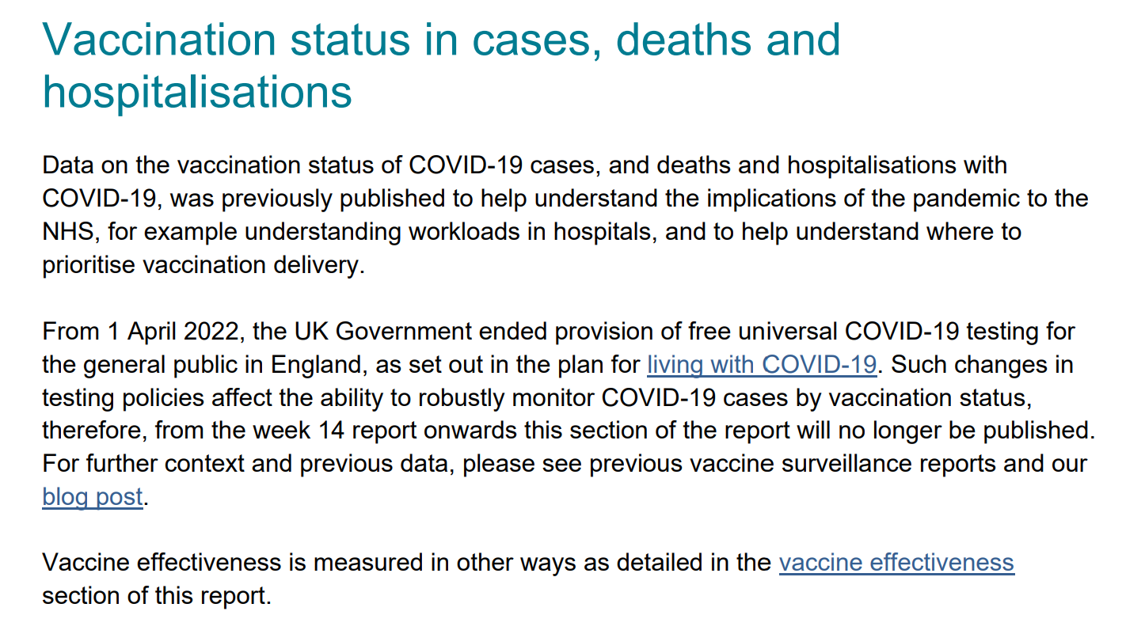

Cases
 | Total cases | Had 1 dose 1-20 days before specimen | Had 1 dose at least 21 days before specimen | Had 2nd dose at least 14 days before specimen | Had 3rd dose at least 14 days before specimen | Total vaccinated cases | % of total cases | Unvaccinated | % of total cases
18-29 | 198,732 | 290 | 9,843 | 47,550 | 112,909 | 170,592 | 85.8% | 28,140 | 14.2%
30-39 | 266,518 | 177 | 7,082 | 44,727 | 185,366 | 237,352 | 89.1% | 29,166 | 10.9%
40-49 | 244,280 | 49 | 3,497 | 26,565 | 198,732 | 228,843 | 93.7% | 15,437 | 6.3%
50-59 | 234,309 | 27 | 1,834 | 14,514 | 210,265 | 226,640 | 96.7% | 7,669 | 3.3%
60-69 | 161,922 | 10 | 764 | 5,486 | 152,649 | 158,909 | 98.1% | 3,013 | 1.9%
70-79 | 101,997 | 6 | 391 | 1,903 | 98,431 | 100,731 | 98.8% | 1,266 | 1.2%
80+ | 53,990 | 3 | 361 | 2,219 | 50,484 | 53,067 | 98.3% | 923 | 1.7%

Totals | 1,261,748 | 562 | 23,772 | 142,964 | 1,008,836 | 1,176,134 | 93.2% | 85,614 | 6.8%
 |  |  |  | 1,151,800
 |  |  |  | 91.3%

81.8% of over-18s have been vaccinated and they represent 93.2% of cases. |  |  |  |  | 18.2% are unvaccinated and represent 6.8% of cases. For the 40-49 age group, 19.6% are unvaccinated and they represent just 6.3% of cases.
78.7% of over-18s have had 2 or 3 shots, and they represent 91.3% of cases |  |  |  |  | For the 40-49 age group, 77.7% have had 2 or 3 shots and they represent 93.7% of cases

Overnight hospital admissions
 | Total admissions | Had 1 dose 1-20 days before specimen | Had 1 dose at least 21 days before specimen | Had 2nd dose at least 14 days before specimen | Had 3rd dose at least 14 days before specimen | Total vaccinated admissions | % of total admissions | Unvaccinated | % of total admissions
18-29 | 682 | 3 | 47 | 190 | 196 | 436 | 63.9% | 246 | 36.1%
30-39 | 687 | 0 | 38 | 156 | 293 | 487 | 70.9% | 200 | 29.1%
40-49 | 572 | 0 | 34 | 111 | 303 | 448 | 78.3% | 124 | 21.7%
50-59 | 891 | 1 | 37 | 155 | 571 | 764 | 85.7% | 127 | 14.3%
60-69 | 1,049 | 0 | 24 | 135 | 774 | 933 | 88.9% | 116 | 11.1%
70-79 | 2,009 | 1 | 29 | 171 | 1,668 | 1,869 | 93.0% | 140 | 7.0%
80+ | 3,367 | 1 | 55 | 224 | 2,940 | 3,220 | 95.6% | 147 | 4.4%

Totals | 9,257 | 6 | 264 | 1,142 | 6,745 | 8,157 | 88.1% | 1,100 | 11.9%
 |  |  |  | 7,887
 |  |  |  | 85.2%

81.8% of over-18s have been vaccinated and they represent 88.1% of hospital admissions
78.7% of over-18s have had 2 or 3 shots, and they represent 85.2% of hospital admissions |  |  |  |  |  | For the 40-49 age group, 77.7%% have had 2 or 3 shots and represent 78.3% of admissions
18.2% of over-18s are unvaccinated and they represent 11.9% of hospital admissions |  |  |  |  |  | For the 40-49 age group, 19.6% are unvaccinated and represent 21.7% of admissions

Deaths within 28 days
 | Total deaths | Had 1 dose 1-20 days before specimen | Had 1 dose at least 21 days before specimen | Had 2nd dose at least 14 days before specimen | Had 3rd dose at least 14 days before specimen | Total vaccinated deaths | % of total deaths | Unvaccinated | % of total deaths
18-29 | 6 | 0 | 0 | 1 | 4 | 5 | 83.3% | 1 | 16.7%
30-39 | 20 | 0 | 1 | 3 | 8 | 12 | 60.0% | 8 | 40.0%
40-49 | 25 | 0 | 1 | 9 | 10 | 20 | 80.0% | 5 | 20.0%
50-59 | 72 | 0 | 5 | 17 | 34 | 56 | 77.8% | 16 | 22.2%
60-69 | 162 | 0 | 11 | 39 | 81 | 131 | 80.9% | 31 | 19.1%
70-79 | 432 | 0 | 6 | 70 | 308 | 384 | 88.9% | 48 | 11.1%
80+ | 1,415 | 1 | 23 | 175 | 1,112 | 1,311 | 92.7% | 104 | 7.3%

Totals | 2,132 | 1 | 47 | 314 | 1,557 | 1,919 | 90.0% | 213 | 10.0%
 |  |  |  | 1,871
 |  |  |  | 87.8%

81.8% of over-18s have been vaccinated and they represent 90% of deaths within 28 days
78.7% of over-18s have had 2 or 3 shots, and they represent 87.8% of deaths
18.2% of over-18s are unvaccinated and they represent 10% of deaths

Deaths within 60 days
 | Total deaths | Had 1 dose 1-20 days before specimen | Had 1 dose at least 21 days before specimen | Had 2nd dose at least 14 days before specimen | Had 3rd dose at least 14 days before specimen | Total vaccinated deaths | % of total deaths | Unvaccinated | % of total deaths
18-29 | 15 | 0 | 1 | 3 | 5 | 9 | 60.0% | 6 | 40.0%
30-39 | 44 | 0 | 4 | 10 | 17 | 31 | 70.5% | 13 | 29.5%
40-49 | 60 | 0 | 2 | 18 | 29 | 49 | 81.7% | 11 | 18.3%
50-59 | 155 | 0 | 8 | 45 | 78 | 131 | 84.5% | 24 | 15.5%
60-69 | 349 | 0 | 16 | 77 | 208 | 301 | 86.2% | 48 | 13.8%
70-79 | 822 | 0 | 19 | 120 | 611 | 750 | 91.2% | 72 | 8.8%
80+ | 2,609 | 2 | 36 | 320 | 2,106 | 2,464 | 94.4% | 145 | 5.6%

Totals | 4,054 | 2 | 86 | 593 | 3,054 | 3,735 | 92.1% | 319 | 7.9%
 |  |  |  | 3,647
 |  |  |  | 90.0%

81.8% of over-18s have been vaccinated and they represent 92.1% of deaths within 60 days
78.7% of over-18s have had 2 or 3 shots, and they represent 90% of deaths within 60 days
18.2% of over-18s are unvaccinated and they represent 7.9% of deaths within 60 days |  |  |  |  |  | For the 40-49 age group, 19.6% are unvaccinated and represent 18.3% of deaths within 60 days

The double or triple jabbed - 78.7% of over-18s - represent:
 | 91.3% of cases
 | 85.2% of hospitalisations
 | 87.8% of deaths within 28 days
 | 90% of deaths within 60 days

The unvaccinated - 18.2% of over-18s - represent:
 | 6.8% of cases
 | 11.9% of hospitalisations
 | 10% of deaths within 28 days
 | 7.9% of deaths within 60 days

